Sheet1
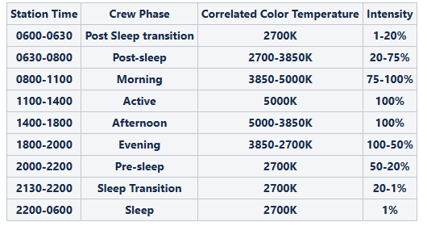
 |  |  |  |  |  |  |  |  |  | Data took from "Animation Master (edited by Timur)" |  |  | 2700K max lm output | 5000K max lm output | mixed - 3850K max lm output
Scan | Time | CCT | Intensity | 2700K % | 5000K % | 2700K lm | 5000K lm | Total lm output | Melanopic DER | Melanopic EDI (lux), normalized to reference: 1000 photopic lux @ 5000 K, 100% intensity | Photopic (lux), normalized to reference: 1000 photopic lux @ 5000 K, 100% intensity | CS | 407 | 432 | 838 | lm
1 | 6:00:00 | 2700 | 1 | 0.8 | 0 | 3 | 0 | 3 | 0.479 | 4 | 8 | 0.009
2 | 6:15:00 | 2700 | 10 | 9.8 | 0 | 40 | 0 | 40 | 0.477 | 44 | 92 | 0.103
3 | 6:30:00 | 2700 | 20 | 20 | 0 | 81 | 0 | 81 | 0.478 | 90 | 188 | 0.188
4 | 6:45:00 | 2850 | 25 | 23.9 | 1.2 | 97 | 5 | 102 | 0.507 | 120 | 237 | 0.231
5 | 7:00:00 | 3000 | 35 | 30.2 | 4.7 | 123 | 20 | 143 | 0.543 | 180 | 332 | 0.304
6 | 7:15:00 | 3250 | 45 | 32.5 | 12.5 | 132 | 54 | 186 | 0.6 | 259 | 431 | 0.379
7 | 7:30:00 | 3500 | 50 | 29.8 | 20 | 121 | 86 | 208 | 0.651 | 313 | 481 | 0.367
8 | 7:45:00 | 3650 | 65 | 34.9 | 30.2 | 142 | 130 | 273 | 0.673 | 425 | 631 | 0.425
9 | 8:00:00 | 3850 | 75 | 32.2 | 42.4 | 131 | 183 | 314 | 0.715 | 520 | 727 | 0.468
10 | 8:30:00 | 4000 | 80 | 29 | 51 | 118 | 220 | 338 | 0.743 | 582 | 783 | 0.493
11 | 9:00:00 | 4200 | 85 | 22.7 | 62.4 | 92 | 270 | 362 | 0.780 | 654 | 838 | 0.514
12 | 9:30:00 | 4350 | 90 | 20 | 70.2 | 81 | 303 | 385 | 0.798 | 711 | 890 | 0.527
13 | 10:00:00 | 4500 | 95 | 15.3 | 79.6 | 62 | 344 | 406 | 0.827 | 778 | 940 | 0.541
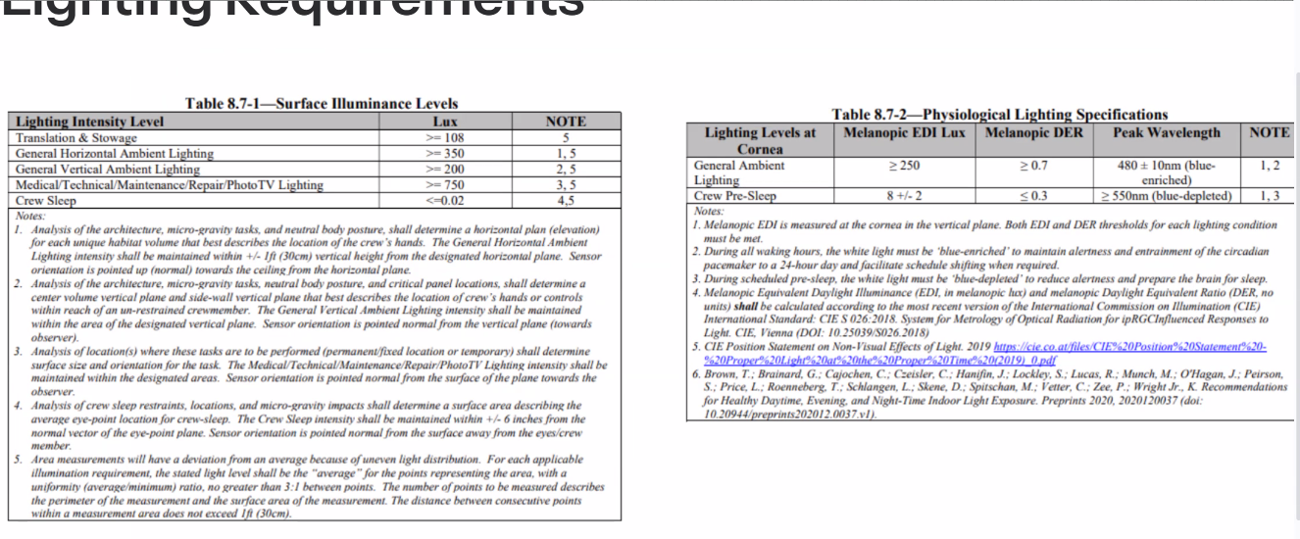
14 | 10:30:00 | 4750 | 100 | 11.8 | 88.2 | 48 | 381 | 429 | 0.848 | 842 | 993 | 0.553
15 | 11:00:00 | 5000 | 100 | 0 | 100 | 0 | 432 | 432 | 0.897 | 897 | 1000 | 0.562
16 | 14:00:00 | 5000 | 100 | 0 | 100 | 0 | 432 | 432 | 0.897 | 897 | 1000 | 0.562
17 | 14:30:00 | 4750 | 100 | 11.8 | 88.2 | 48 | 381 | 429 | 0.847 | 841 | 993 | 0.553
18 | 15:00:00 | 4500 | 100 | 20.8 | 78.8 | 85 | 340 | 425 | 0.810 | 797 | 984 | 0.545
19 | 15:30:00 | 4350 | 100 | 25.1 | 74.9 | 102 | 324 | 426 | 0.794 | 782 | 985 | 0.542
20 | 16:00:00 | 4200 | 100 | 30.2 | 69.8 | 123 | 302 | 424 | 0.775 | 761 | 983 | 0.538
21 | 16:30:00 | 4100 | 100 | 32.5 | 67.5 | 132 | 292 | 424 | 0.764 | 750 | 981 | 0.536
22 | 17:00:00 | 4000 | 100 | 37.6 | 62.4 | 153 | 270 | 423 | 0.742 | 726 | 978 | 0.53
23 | 18:00:00 | 3850 | 100 | 42.4 | 57.6 | 173 | 249 | 421 | 0.723 | 705 | 975 | 0.525
24 | 18:15:00 | 3700 | 95 | 47.5 | 47.5 | 193 | 205 | 399 | 0.691 | 637 | 923 | 0.507
25 | 18:30:00 | 3500 | 85 | 49.8 | 34.9 | 203 | 151 | 353 | 0.655 | 536 | 818 | 0.478
26 | 18:45:00 | 3350 | 80 | 52.5 | 27.5 | 214 | 119 | 332 | 0.627 | 483 | 770 | 0.456
27 | 19:00:00 | 3200 | 75 | 55.7 | 18.8 | 227 | 81 | 308 | 0.588 | 419 | 713 | 0.464
28 | 19:15:00 | 3000 | 70 | 56.5 | 13.7 | 230 | 59 | 289 | 0.563 | 377 | 669 | 0.442
29 | 19:30:00 | 2850 | 65 | 61.2 | 3.5 | 249 | 15 | 264 | 0.500 | 306 | 612 | 0.4
30 | 19:45:00 | 2850 | 60 | 56.9 | 3.1 | 232 | 13 | 245 | 0.499 | 283 | 567 | 0.386
31 | 20:00:00 | 2700 | 50 | 50.2 | 0 | 204 | 0 | 204 | 0.469 | 222 | 473 | 0.342
32 | 20:30:00 | 2700 | 40 | 40 | 0 | 163 | 0 | 163 | 0.468 | 176 | 377 | 0.303
33 | 21:00:00 | 2700 | 35 | 34.9 | 0 | 142 | 0 | 142 | 0.469 | 154 | 329 | 0.274
34 | 21:15:00 | 2700 | 25 | 25.1 | 0 | 102 | 0 | 102 | 0.467 | 110 | 236 | 0.215
35 | 21:30:00 | 2700 | 20 | 20 | 0 | 81 | 0 | 81 | 0.466 | 88 | 188 | 0.184
36 | 21:45:00 | 2700 | 10 | 10.2 | 0 | 42 | 0 | 42 | 0.466 | 45 | 96 | 0.103
37 | 22:00:00 | 2700 | 1 | 0.8 | 0 | 3 | 0 | 3 | 0.471 | 4 | 8 | 0.009

